Bug Report
BUG REPORT
Bug ID | B01
Module | Login
Requirements | Login page requirement
Test Case Name | Log_09
Release | QA
Status | New/Open/TO-DO
Reporter | Jayant Dhikale
Date | 2022-10-24
Assign To | Developer
CC | TL/PM
Severity | S1
Priority | P1
Server | QA
Platform | Chrome Browser
Build No. | 5.1
Test Data | Username = admin and password = admin123
Attachment | 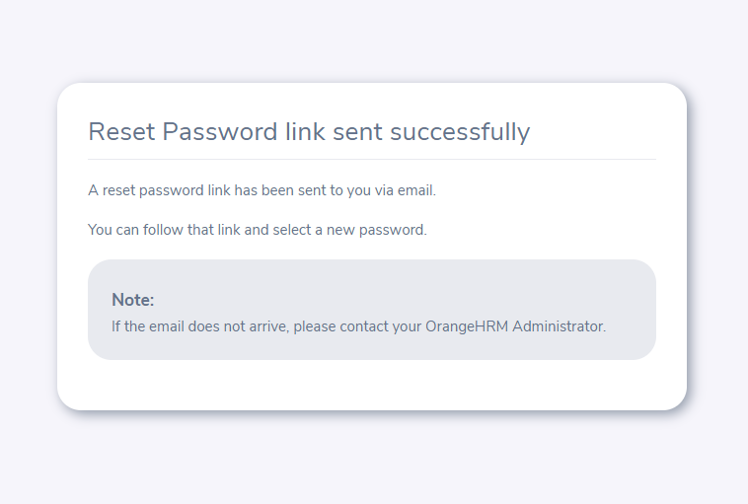 NA
Brief Description /OBSERVATION/ findings | User is unable to reset passward after entering correct username and doesn't received an email link
Navigation Steps | 1.Enter URL on Browser 2.Click on "forgot passward" button 3.Enter the username 4.Click on "reset password" button
Expected Result | User should able to reset passward after entering correct username through an email link
Actual Result | User is unable to reset passward after entering correct username and doesn't received an email link
Additional Comments | User doesn't received an email link

